Highlight Cells
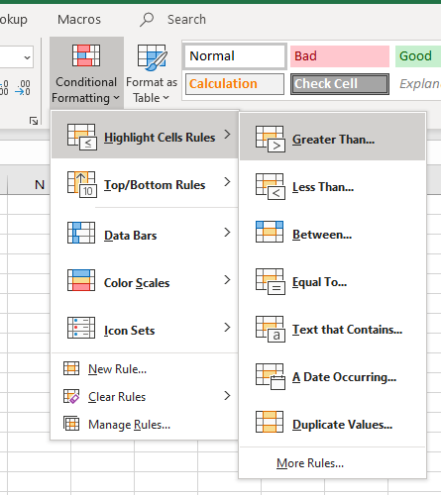
1 | Highlight all the dates after October 06, 2018: |  | 1 | Highlight all the dates after October 06, 2018:

 | Date | Answers |  | Date
 | 2018-11-03 |  |  | 2018-11-03
 | 2019-05-11 |  |  | 2019-05-11
 | 2018-12-03 |  |  | 2018-12-03
 | 2019-09-26 |  |  | 2019-09-26
 | 2018-04-12 |  |  | 2018-04-12
 | 2019-01-03 |  |  | 2019-01-03
 | 2018-05-06 |  |  | 2018-05-06
 | 2019-06-21 |  |  | 2019-06-21
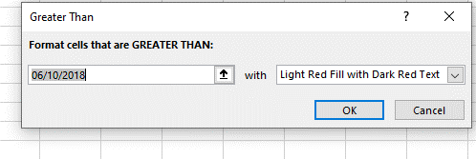
 | 2019-07-24 |  |  | 2019-07-24
 | 2018-04-22 |  |  | 2018-04-22
 | 2019-06-08 |  |  | 2019-06-08
 | 2017-10-17 |  |  | 2017-10-17
 | 2018-01-28 |  |  | 2018-01-28
 | 2019-03-19 |  |  | 2019-03-19
 | 2019-08-18 |  |  | 2019-08-18
 | 2017-10-19 |  |  | 2017-10-19

TopBottom
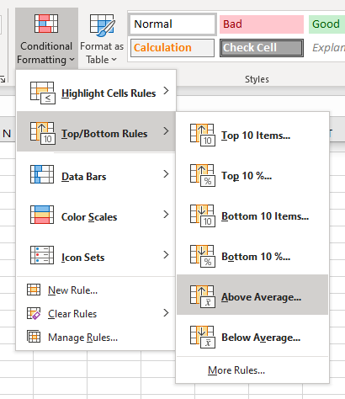
2 | Highlight all grades above average:

 | Grades
 | 59 | 59
 | 56 | 56
 | 75 | 75
 | 99 | 99
 | 86 | 86
 | 72 | 72
 | 89 | 89
 | 67 | 67
 | 76 | 76
 | 80 | 80
 | 71 | 71
 | 56 | 56
 | 63 | 63
 | 100 | 100
 | 100 | 100

Duplicate
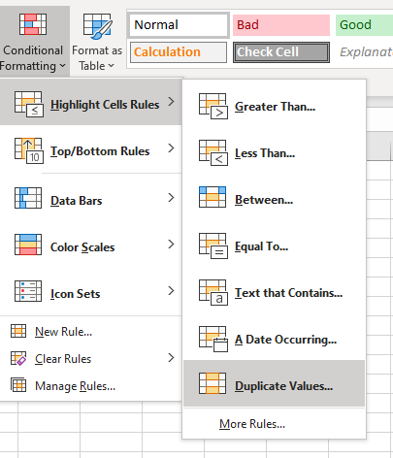
3 | Highlight all the duplicate names:

 | John | 3 | Highlight all the duplicate names:
 | Danny
 | Dean |  | John
 | Donny |  | Danny
 | Jake |  | Dean
 | Jill |  | Donny
 | Hannah |  | Jake
 | Jake |  | Jill
 | John |  | Hannah
 | Danny |  | Jake
 | Dean |  | John
 |  |  | Danny
 |  |  | Dean

